Sheet1
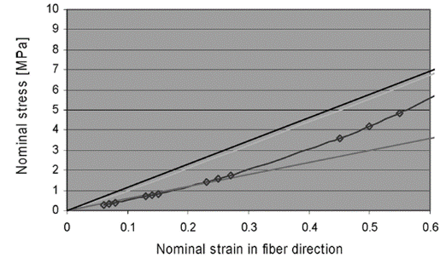
ISL |  | L5-S1 |  |  |  |  |  | L4-L5 |  |  |  |  | L3-L4 |  |  |  |  | L2-L3 |  |  |  |  | L1-L2
Strain | Stress Mpa | Initial len | Area | displacement | Force | Force/4 |  | Initial len | Area | displacement | Force |  | Initial len | Area | displacement | Force |  | Initial len | Area | displacement | Force |  | Initial len | Area | displacement | Force
0 | 0 | 17.1335 | 40 | 0 | 0 | 0 |  | 13.023 | 40 | 0 | 0 |  | 7.1321 | 40 | 0 | 0 |  | 11.6334 | 40 | 0 | 0 |  | 9.593 | 40 | 0 | 0
0.060585019368 | 0.30611735274 | 17.1335 | 40 | 1.0380334293 | 12.24469411 | 3.0611735274 |  | 13.023 | 40 | 0.78899870723 | 12.24469411 |  | 7.1321 | 40 | 0.43209841664 | 12.24469411 |  | 11.6334 | 40 | 0.70480976432 | 12.24469411 |  | 9.593 | 40 | 0.5811920908 | 12.24469411
0.069051490591 | 0.35770042457 | 17.1335 | 40 | 1.183093714 | 14.308016983 | 3.5770042457 |  | 13.023 | 40 | 0.89925756197 | 14.308016983 |  | 7.1321 | 40 | 0.49248213604 | 14.308016983 |  | 11.6334 | 40 | 0.80330361064 | 14.308016983 |  | 9.593 | 40 | 0.66241094924 | 14.308016983
0.079369824715 | 0.41720841951 | 17.1335 | 40 | 1.3598828917 | 16.68833678 | 4.1720841951 |  | 13.023 | 40 | 1.0336332273 | 16.68833678 |  | 7.1321 | 40 | 0.56607352685 | 16.68833678 |  | 11.6334 | 40 | 0.92334091883 | 16.68833678 |  | 9.593 | 40 | 0.76139472849 | 16.68833678
0.13003745913 | 0.74661392042 | 17.1335 | 40 | 2.2279968059 | 29.864556817 | 7.4661392042 |  | 13.023 | 40 | 1.6934778302 | 29.864556817 |  | 7.1321 | 40 | 0.92744016223 | 29.864556817 |  | 11.6334 | 40 | 1.512777777 | 29.864556817 |  | 9.593 | 40 | 1.2474493454 | 29.864556817
0.14022312625 | 0.79816277259 | 17.1335 | 40 | 2.4025129335 | 31.926510903 | 7.9816277259 |  | 13.023 | 40 | 1.8261257731 | 31.926510903 |  | 7.1321 | 40 | 1.0000853587 | 31.926510903 |  | 11.6334 | 40 | 1.6312717169 | 31.926510903 |  | 9.593 | 40 | 1.3451604501 | 31.926510903
0.15040942511 | 0.86165428734 | 17.1335 | 40 | 2.5770398852 | 34.466171494 | 8.6165428734 |  | 13.023 | 40 | 1.9587819432 | 34.466171494 |  | 7.1321 | 40 | 1.0727350608 | 34.466171494 |  | 11.6334 | 40 | 1.7497730061 | 34.466171494 |  | 9.593 | 40 | 1.4428776151 | 34.466171494
0.23071318341 | 1.4372851839 | 17.1335 | 40 | 3.952924328 | 57.491407355 | 14.372851839 |  | 13.023 | 40 | 3.0045777876 | 57.491407355 |  | 7.1321 | 40 | 1.6454694954 | 57.491407355 |  | 11.6334 | 40 | 2.6839787479 | 57.491407355 |  | 9.593 | 40 | 2.2132315685 | 57.491407355
0.24989746385 | 1.6001198917 | 17.1335 | 40 | 4.2816181969 | 64.004795666 | 16.001198917 |  | 13.023 | 40 | 3.2544146717 | 64.004795666 |  | 7.1321 | 40 | 1.7822937019 | 64.004795666 |  | 11.6334 | 40 | 2.9071571559 | 64.004795666 |  | 9.593 | 40 | 2.3972663707 | 64.004795666
0.27013992157 | 1.7669144287 | 17.1335 | 40 | 4.6284423463 | 70.676577149 | 17.669144287 |  | 13.023 | 40 | 3.5180321986 | 70.676577149 |  | 7.1321 | 40 | 1.9266649346 | 70.676577149 |  | 11.6334 | 40 | 3.1426457636 | 70.676577149 |  | 9.593 | 40 | 2.5914522676 | 70.676577149
0.45075383287 | 3.6223958397 | 17.1335 | 40 | 7.7229907954 | 144.89583359 | 36.223958397 |  | 13.023 | 40 | 5.8701671654 | 144.89583359 |  | 7.1321 | 40 | 3.2148214114 | 144.89583359 |  | 11.6334 | 40 | 5.2437996393 | 144.89583359 |  | 9.593 | 40 | 4.3240815187 | 144.89583359
0.49958434515 | 4.2225385445 | 17.1335 | 40 | 8.5596283777 | 168.90154178 | 42.225385445 |  | 13.023 | 40 | 6.5060869269 | 168.90154178 |  | 7.1321 | 40 | 3.5630855081 | 168.90154178 |  | 11.6334 | 40 | 5.8118645209 | 168.90154178 |  | 9.593 | 40 | 4.7925126231 | 168.90154178
0.54960864989 | 4.8903326467 | 17.1335 | 40 | 9.4167198029 | 195.61330587 | 48.903326467 |  | 13.023 | 40 | 7.1575534475 | 195.61330587 |  | 7.1321 | 40 | 3.9198638519 | 195.61330587 |  | 11.6334 | 40 | 6.3938172676 | 195.61330587 |  | 9.593 | 40 | 5.2723957784 | 195.61330587

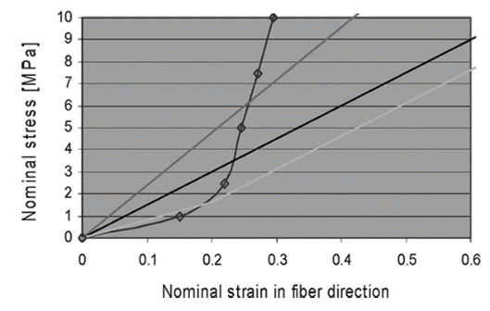
SSL |  | L5-S1 |  |  |  |  | L4-L5 |  |  |  |  | L3-L4 |  |  |  |  | L2-L3 |  |  |  |  | L2-L3
Strain | Stress Mpa | initial len | Area | disp | force |  | initial len | Area | disp | force |  | initial len | Area | disp | force |  | initial len | Area | disp | force |  | initial len | Area | disp | force
0 | 0 | 24.148 | 30 | 0 | 0 |  | 19.07 | 30 | 0 | 0 |  | 16.5424 | 30 | 0 | 0 |  | 17.1359 | 30 | 0 | 0 |  | 19.6518 | 30 | 0 | 0
0.15050087336 | 1.0170710612 | 24.148 | 30 | 3.6342950898 | 30.512131836 |  | 19.07 | 30 | 2.8700516549 | 30.512131836 |  | 16.5424 | 30 | 2.4896456474 | 30.512131836 |  | 17.1359 | 30 | 2.5789679157 | 30.512131836 |  | 19.6518 | 30 | 2.957613063 | 30.512131836
0.21954483517 | 2.5063090173 | 24.148 | 30 | 5.3015686797 | 75.18927052 |  | 19.07 | 30 | 4.1867200067 | 75.18927052 |  | 16.5424 | 30 | 3.6317984813 | 75.18927052 |  | 17.1359 | 30 | 3.762098341 | 75.18927052 |  | 19.6518 | 30 | 4.3144511918 | 75.18927052
0.24550960385 | 5.0209659751 | 24.148 | 30 | 5.9285659137 | 150.62897925 |  | 19.07 | 30 | 4.6818681454 | 150.62897925 |  | 16.5424 | 30 | 4.0613180707 | 150.62897925 |  | 17.1359 | 30 | 4.2070280206 | 150.62897925 |  | 19.6518 | 30 | 4.8247056329 | 150.62897925
0.2710624215 | 7.4833990658 | 24.148 | 30 | 6.5456153544 | 224.50197197 |  | 19.07 | 30 | 5.1691603781 | 224.50197197 |  | 16.5424 | 30 | 4.4840230015 | 224.50197197 |  | 17.1359 | 30 | 4.6448985486 | 224.50197197 |  | 19.6518 | 30 | 5.3268644949 | 224.50197197
0.29496350412 | 9.9940796244 | 24.148 | 30 | 7.1227786975 | 299.82238873 |  | 19.07 | 30 | 5.6249540236 | 299.82238873 |  | 16.5424 | 30 | 4.8794042706 | 299.82238873 |  | 17.1359 | 30 | 5.0544651103 | 299.82238873 |  | 19.6518 | 30 | 5.7965637903 | 299.82238873

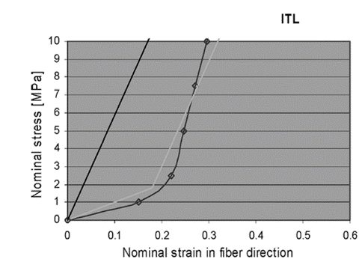
ITL |  | L5-S1 right
Strain | Stress Mpa | initial len | Area | disp | force
0 | 0 | 21.4911 | 12 | 0 | 0
0.15105845693 | 1.0062984965 | 21.4911 | 12 | 3.2464124038 | 12.075581958
0.21995021117 | 2.4779830442 | 21.4911 | 12 | 4.7269719834 | 29.73579653
0.24686697966 | 4.9684891203 | 21.4911 | 12 | 5.3054429465 | 59.621869444
0.27107043489 | 7.5305620031 | 21.4911 | 12 | 5.8256018233 | 90.366744038
0.2955945951 | 10.000063768 | 21.4911 | 12 | 6.3526530028 | 120.00076522

